MinE-S Berechnung
Model | Door width/Planet length
Planet MinE F-S / MinE-S | 800 | mm

 | Input |  |  |  | Result = Output
Air Flow in m^3/h | 30 | m^3/h | produce | Pressure difference approx. | 6 | Pa
 | or
or Air Flow in l/s |  | l/s | produce | Pressure difference approx. | 0 | Pa

Pressure difference |  | Pa | produce | Air Flow approx. | 0 | m^3/h
 |  |  |  | Air Flow approx. | 0 | l/s

Assumption: | linear system of equations

Basis: | messure protocol air flow/pressure

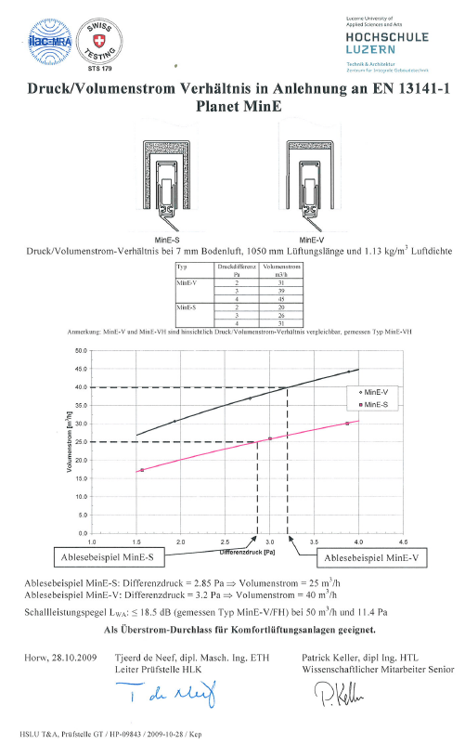

𝑦=𝑦2+(𝑦3−𝑦2)/(𝑥3−𝑥2)∗ (𝑥−𝑥2)

𝑦 𝑣𝑜𝑙𝑢𝑚𝑒𝑛𝑠𝑡𝑟𝑜𝑚=𝑦2 (𝑙ä𝑛𝑔𝑒)+(𝑦3 (𝑙ä𝑛𝑔𝑒)−𝑦2(𝑙ä𝑛𝑔𝑒))/(𝑥3 −𝑥2 )∗ (𝑥 𝐷𝑟𝑢𝑐𝑘𝑑𝑖𝑓𝑓𝑒𝑟𝑒𝑛𝑧−𝑥2)

x 𝐷𝑟𝑢𝑐𝑘𝑑𝑖𝑓𝑓𝑒𝑟𝑒𝑛𝑧=((𝑉𝑜𝑙𝑢𝑚𝑒𝑛𝑠𝑡𝑟𝑜𝑚−𝑦2 (𝑙ä𝑛𝑔𝑒)))/((𝑦3 (𝑙ä𝑛𝑔𝑒)−𝑦2 (𝑙ä𝑛𝑔𝑒))/(𝑥3−𝑥2))+𝑥2

MinE-V Berechnung
Model | Door width/Planet length
Planet MinE F-V /MinE-V | 800 | mm

 | Input |  |  |  | Result = Output
Air Flow in m^3/h | 30 | m^3/h | produce | Pressure difference approx. | 3.2 | Pa
 | or
or Air Flow in l/s |  | l/s | produce | Pressure difference approx. | 0 | Pa

Pressure difference |  | Pa | produce | Air Flow approx. | 0 | m^3/h
 |  |  |  | Air Flow approx. | 0 | l/s

Assumption: | linear system of equations

Basis: | messure protocol air flow/pressure

𝑦=𝑦2+(𝑦3−𝑦2)/(𝑥3−𝑥2)∗ (𝑥−𝑥2)

𝑦 𝑣𝑜𝑙𝑢𝑚𝑒𝑛𝑠𝑡𝑟𝑜𝑚=𝑦2 (𝑙ä𝑛𝑔𝑒)+(𝑦3 (𝑙ä𝑛𝑔𝑒)−𝑦2(𝑙ä𝑛𝑔𝑒))/(𝑥3 −𝑥2 )∗ (𝑥 𝐷𝑟𝑢𝑐𝑘𝑑𝑖𝑓𝑓𝑒𝑟𝑒𝑛𝑧−𝑥2)

x 𝐷𝑟𝑢𝑐𝑘𝑑𝑖𝑓𝑓𝑒𝑟𝑒𝑛𝑧=((𝑉𝑜𝑙𝑢𝑚𝑒𝑛𝑠𝑡𝑟𝑜𝑚−𝑦2 (𝑙ä𝑛𝑔𝑒)))/((𝑦3 (𝑙ä𝑛𝑔𝑒)−𝑦2 (𝑙ä𝑛𝑔𝑒))/(𝑥3−𝑥2))+𝑥2

